Bank
u
ID | THZncyUaCL1uQonNbENkAWVxvVSjtNDd54
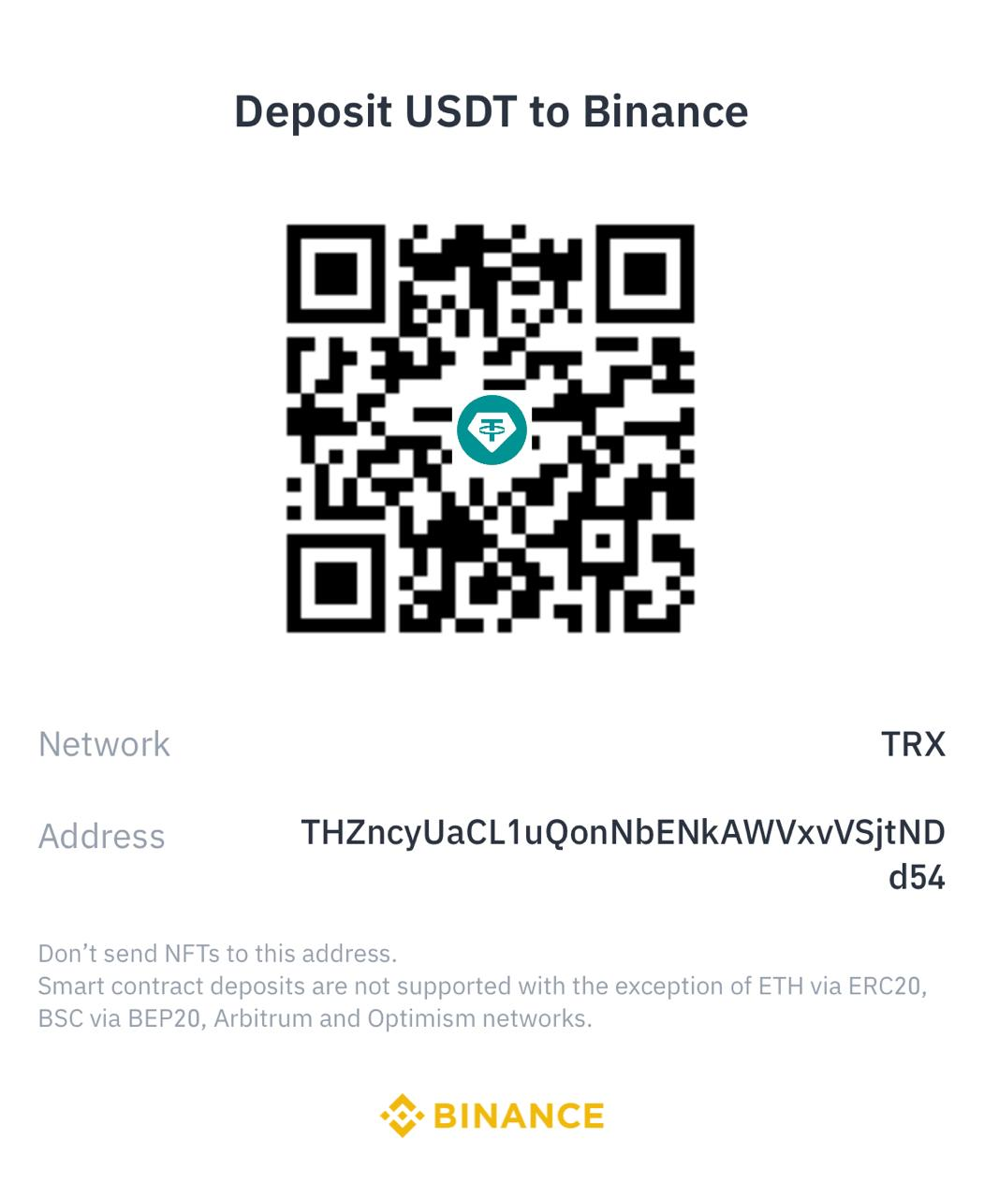

BANK DETAILS
Company Name | BLUE WHALE MIGRATION SERVICE LLC
Account | 333420914001
IBAN | AE690400000333420914001
Branch | RAK BANK
Swift Code | NRAKAEAK
Bank Name | National Bank Of Ras Al Kaimah
Address | Rak Building , Umm Hurraur , Bur Dubai, UAE

Note : Performa will be released if needed

License
